Keys
NOT NULL Constraint |  | UNIQUE Constraint |  | PRIMARY KEY Constraint |  | Foreign Key |  | https://dotnettutorials.net/lesson/foreign-key-constraint-sql-server/
column can hold NULL values. | The NOT NULL constraint enforces a column to NOT accept NULL values. | ensures that all values in a column are different. | guarantee for uniqueness for a column or set of columns. | uniquely identifies each record in a table. | A table can have only ONE primary key | A foreign key in one TABLE points to a primary key or unique key in another table. | In order to create a link between two tables, we must specify a Foreign Key in one table that references a column in another table.
 | you cannot insert a new record, or update a record without adding a value to this field. |  | you can have many UNIQUE constraints per table, but only one PRIMARY KEY constraint per table. | Primary keys must contain UNIQUE values, and cannot contain NULL values | in the table, this primary key can consist of single or multiple columns (fields). |  | for binding two tables with each other and then verify the existence of one table data in other tables.
 |  |  |  |  |  | The general formula is | common column which is present in the child or detailed table is known as the Foreign key
 |  | To name a UNIQUE constraint, and to define a UNIQUE constraint on multiple columns | CONSTRAINT UC_Person UNIQUE (ID,LastName) | on multiple columns, use the following SQL syntax: | CONSTRAINT PK_Person PRIMARY KEY (ID,LastName) | Alter table ForeignKeyTable add constraint ForeignKeyTable_ForiegnKeyColumn_FK FOREIGN KEY (ForiegnKeyColumn) references PrimaryKeyTable (PrimaryKeyColumn)

 |  | define a UNIQUE constraint on multiple columns, | ADD CONSTRAINT UC_Person UNIQUE (ID,LastName); | when the table is already created | ALTER TABLE Persons ADD PRIMARY KEY (ID); | Is it possible that a foreign key references a non-primary key | foreign key actually references a key that should contain unique values. So it may be a primary key or unique key as both keys maintain the uniqueness of the column of a table.
 |  | To drop a UNIQUE constraint | ALTER TABLE Persons |  |  |  | The Foreign Key in SQL Server is a field in a table which is a unique key in another table.
 |  |  | DROP CONSTRAINT UC_Person; OR | To drop a PRIMARY KEY constraint, | DROP PRIMARY KEY; |  | A Foreign Key can accept both null values and duplicate values in SQL Server.
 |  |  | DROP INDEX UC_Person;

Candidate Key | A candidate key is a set of one or more columns that can identify a record uniquely in a table, and YOU can use each candidate key as a Primary Key. |  | 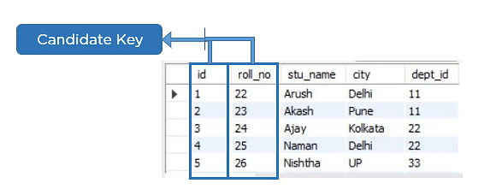

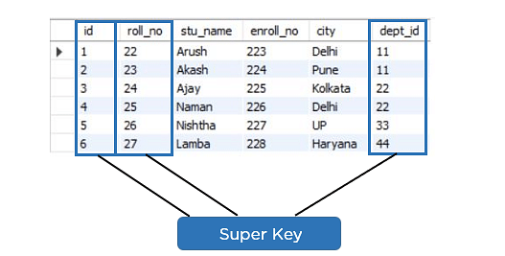

Super Key | Super key is a set of over one key that can identify a record uniquely in a table, and the Primary Key is a subset of Super Key.

NORMALIZATION
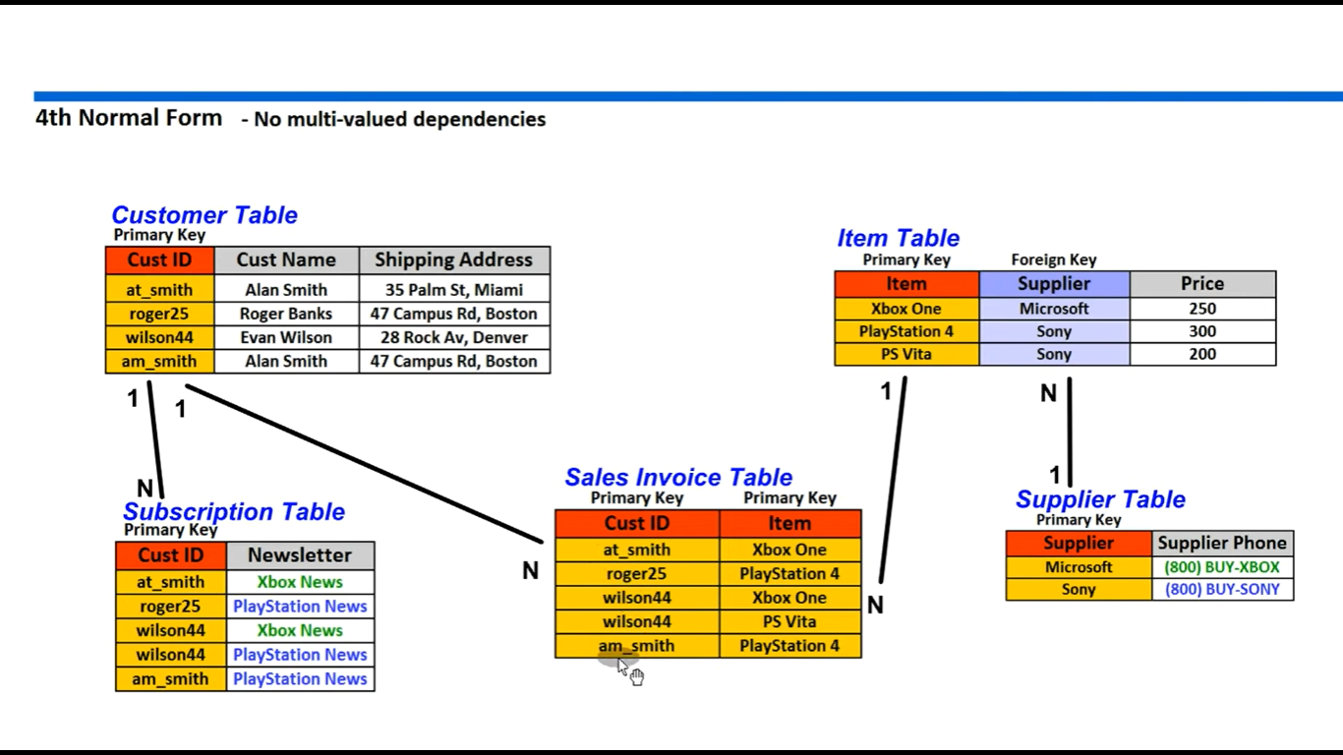
What is Normalization
Using Normalization, you can solve the problem of data redundancy and organize the data using different forms | Normalization is the process to eliminate data redundancy and enhance data integrity in the table.
 | Normalization also helps to organize the data in the database.
 | It is a systematic technique of decomposing tables to eliminate data redundancy (repetition)
 | & undesirable characteristics like Insertion, Update, and Deletion anomalies

1st Normal Form (1NF)
 | single cell cannot hold multiple values. It must hold only a single-valued attribute.
 | First normal form disallows the multi-valued attribute, composite attribute, and their combinations.



1 NF

 | By applying the First Normal Form, you achieve atomicity
 | also every column has unique values.

Second Normal Form (2NF)
 | 1==the table has to be in First Normal Form.
The table should not possess partial dependency | means the proper subset of the candidate key should give a non-prime attribute.
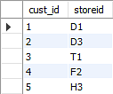
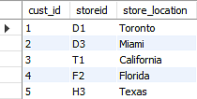
The Location table possesses a composite primary key cust_id, storeid

2 NF
The non-key attribute is store_location

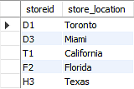
store_location only depends on storeid, which is a part of the primary key.
Hence, this table does not fulfill the second normal form.

Third Normal Form (3NF)
 | 1st condition ==table should be in the Second Normal Form.
 | The second condition is that there should be no transitive dependency for non-prime attributes
 | which indicates that non-prime attributes (which are not a part of the candidate key) should not depend on other non-prime attributes in a table.
 | Therefore, a transitive dependency is a functional dependency in which A → C (A determines C) indirectly, because of A → B and B → C (where it is not the case that B → A).

The third Normal Form ensures the reduction of data duplication. It is also used to achieve data integrity.


stu_id determines subid, and subid determines sub.

3 NF
Therefore, stu_id determines sub via subid.


This implies that the table possesses a transitive functional dependency, and it does not fulfill the third normal form criteria.

 | As you can see in both the tables, all the non-key attributes are now fully functional, dependent only on the primary key.

Boyce CoddNormal Form (BCNF)
 | Boyce Codd Normal Form is also known as 3.5 NF.
The first condition for the table to be in Boyce Codd Normal Form is that the table should be in the third normal form. | Codd to tackle certain types of anomalies which were not resolved with 3NF.

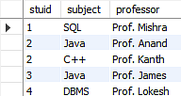
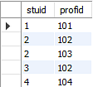
Secondly, every Right-Hand Side (RHS) attribute of the functional dependencies should depend on the super key of that particular table.

BCNF
The subject table follows these conditions:
Each student can enroll in multiple subjects.
Multiple professors can teach a particular subject.
For each subject, it assigns a professor to the student.
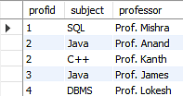
In the above table, student_id and subject together form the primary key because using student_id and subject; you can determine all the table columns.
Another important point to be noted here is that one professor teaches only one subject, but one subject may have two professors.
Which exhibit there is a dependency between subject and professor, i.e. subject depends on the professor's name.

The table is in 1st Normal form as all the column names are unique, all values are atomic, and all the values stored in a particular column are of the same domain.
The table also satisfies the 2nd Normal Form, as there is no Partial Dependency.
And, there is no Transitive Dependency; hence, the table also satisfies the 3rd Normal Form.
This table follows all the Normal forms except the Boyce Codd Normal Form.
As you can see stuid, and subject forms the primary key, which means the subject attribute is a prime attribute.
However, there exists yet another dependency - professor → subject.
BCNF does not follow in the table as a subject is a prime attribute, the professor is a non-prime attribute.

Normalization2
Database Normalization in MySQL
Back to: MySQL Tutorials for Beginners and Professionals

Database Normalization in MySQL with Examples
In this article, I am going to discuss Database Normalization in MySQL with Examples. Please read our previous article, where we discussed Database Relationships in MySQL. Understanding Database Normalization is a must for a database developer. So, here in this article, we will discuss if we are not following Database Normalization, then what problems we face and then we will discuss how to overcome such problems using Database Normalization. I am going to discuss everything with examples so that it will be easier for you to understand the concepts.

Database Normalization in MySQL
Database Normalization is the most important factor in Database design or Data modeling. Database Normalization is the process to eliminate data redundancies and store the data logically to make data management easier. Database relationships and keys are useful in the Database Normalization process. The Database Normalization was developed by E.F.Codd. In the database normalization process, there are series of rules called Normal Forms.

There are mainly 6 types of Normal Forms: First Normal Form (1NF), second Normal Form (2NF), Third Normal Form (3NF), Fourth Normal Form (4NF), Fifth Normal Form (5NF), and Boyce Codd Normal Form (BCNF). But majorly we used up to third normal form in our database design.

1. First Normal Form (1NF): In the first normal form, each column must contain only one value and no table should store repeating groups of related data.
2. Second Normal Form (2NF): In the second normal form, first the database must be in the first normal form, it should not store duplicate rows in the same table. And if there are duplicate values in the row, they should be stored in their own separate tables and linked to the table using foreign keys. The ideal way to a database in second normal form is to create one to many relationship tables.
3. Third Normal Form (3NF): In the third normal form, the database is already in the third form, if it is in the second normal form and every non-key column is mutually independent. Identify any columns in the table that are interdependent and break those columns into their own separate tables.
4. Boyce Codd Normal Form (BCNF): It is the highest form of the third normal form which deals with different types of anomalies that are not handled by the 3NF.

First Normal Form (1NF) in MySQL
In the first normal form, each column must contain only one value. No table should store repeating groups of related data. The easiest way to follow the first normal form is to inspect the database table horizontally.

Rules:

1. Each column of your table should be single-valued.
2. The values stored in each column must be of the same type.
3. Each column in a table should have a unique name.
4. You can store the data in the table in any order.

Example of 1NF
Take a look at the example table.

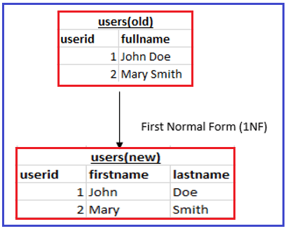

The old database table ‘users’ store ‘userid’ and ‘fullname’ of the users. According to first normal form rules, each column must contain only one value but in the case of fullname the data value can further be stored as 2 separate columns ‘firstname’ and ‘lastname’. Therefore, we modified the old database and created 2 columns, firstname, and lastname to store the values separately. This change makes the database table in first normal form.

Second Normal Form (2NF) in MySQL
In the second normal form, first, the database must be in the first normal form and there should not be any partial dependency. If there are duplicate values in the row, they should be stored in their own separate tables and linked to the table using foreign keys. The ideal way to database in second normal forms is to create one to many relationships tables. The easiest way to follow second normal forms is to inspect the database table vertically.

Rules:

1. The table should be in first normal form (1NF).
2. There should not be any partial dependency.

What is Partial Dependency?
When a non-prime attribute is functionally dependent on a part of a candidate key, it is called partial dependency.

Example:
Let’s take a StudentProject table.

In the above table, StudentID and ProjectNo are the primary key attributes. StudentName and ProjectName are the non-primary key attributes that should be functionally dependent on a part of the candidate key. Here, StudentName is determined by StudentID, and ProjectName is determined by ProjectNo which is partially dependent which violates the 2NF and is a bad database design.

How to remove Partial Dependency?
To remove the partial dependency, decompose the table. For the above table, to remove partial dependency remove the ProjectName column from the StudentProject table and add it to a separate table as follows:

Now the tables are not partially dependent.

Example of 2NF:
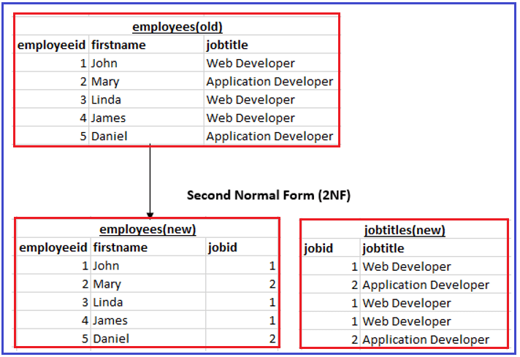

Take a look at the example old ‘employees’ table. In the ‘jobtitle’ column, the jobtitle values are frequently repeated for the employees, which breaks the second normal form rule. To make the database table in second normal form we created a separate table to store jobtitle values and linked those values using foreign key value ‘jobid’ which refers to the primary key ‘jobid’ in ‘jobtitles’ table. This change makes the database table in second normal form.

Third Normal Form (3NF) in MySQL
In the third normal form, the database is already in the third normal form, if it is in the second normal form. Every non-key column must be mutually independent. Identify any columns in the table that are interdependent and break those columns into their own separate tables.

Rules:

1. The table should be in Second Normal Form (2NF)
2. There should not be any transitive dependency for non-prime attributes.

What is Functional Dependency?
When there is a relationship exists between the primary key and non-key attribute within a table it is called functional dependency.

X -> Y

Here, X is known as determinant, and Y is known as the dependent.

Example:
Let’s take an employee table.

Here, EmployeeId uniquely identifies the EmployeeName because if we know the EmployeeID we can easily tell the EmployeeName associated with it. In this case, functional dependency can be written as EmployeeID -> EmployeeName which means EmployeeName is functionally dependent on EmployeeID.

What is Transitive Dependency?
When there is an indirect functional dependency between the attributes it is called Transitive Dependency. If A -> B and B -> C then A -> C is called Transitive Dependency. To achieve Third Normal Form (3NF) we have to eliminate Functional Dependency.

Example:

In this table, MovieID->ListingID and ListingID->ListingType are the attributes which have transitive functional dependency. Therefore, MovieID -> ListingType has transitive functional dependency.

How to remove Transitive Dependency?
To remove Transitive Dependency, we can split the tables. In the above example to remove transitive dependency from the table we can remove the ListingType column from the table and create a separate table for it as follows:

Now the tables are not transitive dependent.

Example of 3NF:
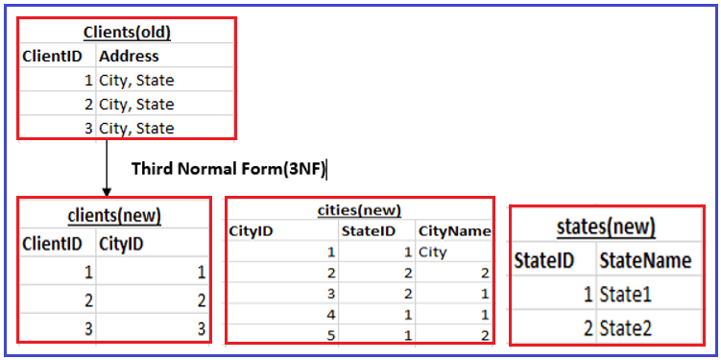

Take a look at the example old clients table, the address column is interdependent. The address depends upon the city and the city depends upon states and so on. Therefore, we can break the address column to separate cities or states table. Create primary key cityid and stateid for cities and states tables respectively. And link the primary keys to appropriate tables using foreign keys. This change makes the database table in third normal form.

Boyce Codd Normal Form (BCNF)
It is an extension of the third normal form and is also known as the 3.5 Normal Form.

Rules for BCNF

1. The table should be in 3NF
2. For dependency like a-> B, A should be a super key which means A cannot be a non-prime attribute if B is a prime attribute.

Example:


In the above table, one student can enroll in multiple subjects. A professor is assigned for each subject to the student. There can be multiple professors who can teach one subject. Here, StudentID and Subject form the primary key because by using StudentID and Subject we can able to find all the columns of the table. Also, the subject attribute depends on the professor’s name because one professor teaches only one subject but one subject may have two different professors. Therefore, the table is not in BCNF because here the subject is a prime attribute and the professor is a non-prime attribute.

To make this table satisfy BCNF, we can decompose this table into two different tables as follows:

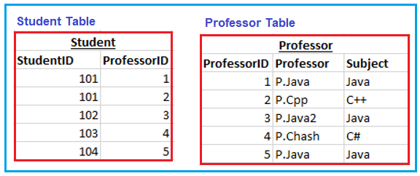

Now the relation satisfies BCNF.

In the next article, I am going to discuss Database De-normalization in MySQL with Example. Here, in this article, I try to explain Database Normalization in MySQL with Examples. I hope you enjoy this Database Normalization in the MySQL article. If you have any questions or queries about this Database Normalization in MySQL with Examples article, then please feel free to ask me in the comment section.

